LCV =<3,5t
 |  | P R E S S R E L E A S E

 |  | PRESS EMBARGO FOR ALL DATA :
 |  | 8.00 AM (6.00 AM GMT), 24 May 2017

 |  | PROVISIONAL
 |  | EU+EFTA1 COUNTRIES NEW REGISTRATION FIGURES BY MARKET
 |  | NEW LIGHT COMMERCIAL VEHICLES up to 3.5t2

 |  |  |  |  |  |  | 24/05/17
 |  | April | April | % | Jan-Apr | Jan-Apr | %
 |  | '17 | '16 | Change | '17 | '16 | Change
 | AUSTRIA | 3,215 | 3,340 | -3.7% | 13,274 | 12,028 | 10.4%
 | BELGIUM | 6,388 | 6,075 | 5.2% | 28,165 | 24,623 | 14.4%
 | BULGARIA | 423 | 369 | 14.6% | 1,570 | 1,526 | 2.9%
 | CROATIA | 712 | 679 | 4.9% | 2,719 | 2,415 | 12.6%
 | CYPRUS | 148 | 109 | 35.8% | 651 | 501 | 29.9%
 | CZECH REPUBLIC | 1,337 | 1,550 | -13.7% | 5,848 | 5,718 | 2.3%
 | DENMARK | 2,746 | 3,193 | -14.0% | 11,603 | 12,076 | -3.9%
 | ESTONIA | 361 | 350 | 3.1% | 1,420 | 1,308 | 8.6%
 | FINLAND | 1,297 | 1,189 | 9.1% | 5,489 | 4,422 | 24.1%
 | FRANCE | 36,201 | 36,037 | 0.5% | 146,015 | 135,676 | 7.6%
 | GERMANY | 19,791 | 22,031 | -10.2% | 82,975 | 80,065 | 3.6%
 | GREECE | 428 | 531 | -19.4% | 2,128 | 1,646 | 29.3%
 | HUNGARY | 1,320 | 1,802 | -26.7% | 5,616 | 6,541 | -14.1%
 | IRELAND | 1,705 | 2,302 | -25.9% | 13,642 | 15,716 | -13.2%
 | ITALY | 13,400 | 14,547 | -7.9% | 56,800 | 54,221 | 4.8%
 | LATVIA | 175 | 184 | -4.9% | 613 | 694 | -11.7%
 | LITHUANIA | 250 | 286 | -12.6% | 960 | 964 | -0.4%
 | LUXEMBOURG | 340 | 368 | -7.6% | 1,517 | 1,488 | 1.9%
 | NETHERLANDS | 5,051 | 5,957 | -15.2% | 27,902 | 27,298 | 2.2%
 | POLAND | 4,866 | 5,310 | -8.4% | 19,474 | 19,259 | 1.1%
 | PORTUGAL | 3,121 | 2,594 | 20.3% | 11,790 | 10,661 | 10.6%
 | ROMANIA | 1,157 | 1,158 | -0.1% | 5,048 | 4,420 | 14.2%
 | SLOVAKIA | 543 | 614 | -11.6% | 2,359 | 2,395 | -1.5%
 | SLOVENIA | 917 | 854 | 7.4% | 3,868 | 3,354 | 15.3%
 | SPAIN | 15,430 | 15,258 | 1.1% | 63,491 | 54,128 | 17.3%
 | SWEDEN | 4,238 | 4,724 | -10.3% | 17,493 | 16,429 | 6.5%
 | UNITED KINGDOM | 22,625 | 27,880 | -18.8% | 120,595 | 126,786 | -4.9%
 | EUROPEAN UNION | 148,185 | 159,291 | -7.0% | 653,025 | 626,358 | 4.3%
 | EU153 | 135,976 | 146,026 | -6.9% | 602,879 | 577,263 | 4.4%
 | EU124 | 12,209 | 13,265 | -8.0% | 50,146 | 49,095 | 2.1%
 | ICELAND | 149 | 210 | -29.0% | 671 | 645 | 4.0%
 | NORWAY | 2,776 | 3,121 | -11.1% | 10,774 | 10,274 | 4.9%
 | SWITZERLAND | 2,491 | 2,884 | -13.6% | 10,342 | 10,393 | -0.5%
 | EFTA | 5,416 | 6,215 | -12.9% | 21,787 | 21,312 | 2.2%
 | EU+EFTA | 153,601 | 165,506 | -7.2% | 674,812 | 647,670 | 4.2%
 | WESTERN EUROPE (EU15+EFTA) | 141,392 | 152,241 | -7.1% | 624,666 | 598,575 | 4.4%
 | SOURCE: NATIONAL AUTOMOBILE MANUFACTURERS' ASSOCIATIONS
 | 1Data for Malta unavailable |  | 3Member States before the 2004 enlargement
 | 2Including Light Buses & Coaches |  | 4Member States having joined the EU since 2004
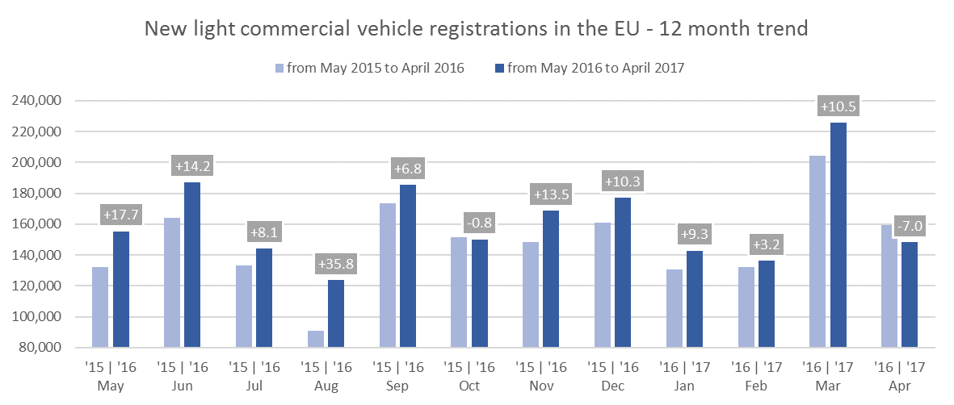

For further information, please contact: Ms Francesca Piazza - Statistics Manager - E-mail: fp@acea.be
This information is available on the ACEA website: http://www.acea.be
Next press release on Commercial Vehicles to be issued on Friday 23 June 2017
 |  |  |  |  |  |  | Page 3 of 7

HCV - Trucks > 16t
 |  | P R E S S R E L E A S E

 |  | PRESS EMBARGO FOR ALL DATA :
 |  | 8.00 AM (6.00 AM GMT), 24 May 2017

 |  | PROVISIONAL
 |  | EU+EFTA1 COUNTRIES NEW REGISTRATION FIGURES BY MARKET
 |  | NEW HEAVY COMMERCIAL VEHICLES of 16t and over2

 |  |  |  |  |  |  | 24/05/17
 |  | April | April | % | Jan-Apr | Jan-Apr | %
 |  | '17 | '16 | Change | '17 | '16 | Change
 | AUSTRIA | 729 | 771 | -5.4% | 2,929 | 2,688 | 9.0%
 | BELGIUM | 781 | 779 | 0.3% | 3,264 | 3,081 | 5.9%
 | BULGARIA | N/A | N/A | N/A | N/A | N/A | N/A
 | CROATIA | 92 | 95 | -3.2% | 415 | 399 | 4.0%
 | CYPRUS | 4 | 2 | 100.0% | 26 | 11 | 136.4%
 | CZECH REPUBLIC3 | 690 | 891 | -22.6% | 2,681 | 3,198 | -16.2%
 | DENMARK | 382 | 397 | -3.8% | 1,499 | 1,506 | -0.5%
 | ESTONIA | 73 | 74 | -1.4% | 404 | 337 | 19.9%
 | FINLAND | 230 | 223 | 3.1% | 1,020 | 851 | 19.9%
 | FRANCE | 3,672 | 3,910 | -6.1% | 14,344 | 14,007 | 2.4%
 | GERMANY | 5,374 | 6,738 | -20.2% | 22,200 | 22,771 | -2.5%
 | GREECE | 22 | 24 | -8.3% | 75 | 95 | -21.1%
 | HUNGARY | 390 | 421 | -7.4% | 1,470 | 1,563 | -6.0%
 | IRELAND4 | 196 | 214 | -8.4% | 1,071 | 1,021 | 4.9%
 | ITALY5 | 1,494 | 1,324 | 12.8% | 6,722 | 4,962 | 35.5%
 | LATVIA | 115 | 104 | 10.6% | 457 | 439 | 4.1%
 | LITHUANIA4 | 628 | 651 | -3.5% | 2,419 | 2,156 | 12.2%
 | LUXEMBOURG4 | 98 | 94 | 4.3% | 394 | 455 | -13.4%
 | NETHERLANDS | 1,160 | 1,303 | -11.0% | 5,259 | 5,867 | -10.4%
 | POLAND | 1,880 | 2,135 | -11.9% | 7,685 | 8,009 | -4.0%
 | PORTUGAL | 242 | 243 | -0.4% | 1,181 | 1,200 | -1.6%
 | ROMANIA | 455 | 656 | -30.6% | 2,191 | 2,468 | -11.2%
 | SLOVAKIA | 317 | 428 | -25.9% | 1,466 | 1,438 | 1.9%
 | SLOVENIA4 | 175 | 165 | 6.1% | 806 | 763 | 5.6%
 | SPAIN | 1,189 | 1,602 | -25.8% | 6,031 | 6,351 | -5.0%
 | SWEDEN | 517 | 638 | -19.0% | 1,915 | 1,866 | 2.6%
 | UNITED KINGDOM4 | 3,191 | 2,874 | 11.0% | 11,817 | 11,144 | 6.0%
 | EUROPEAN UNION | 24,096 | 26,756 | -9.9% | 99,741 | 98,646 | 1.1%
 | EU15 | 19,277 | 21,134 | -8.8% | 79,721 | 77,865 | 2.4%
 | EU12 | 4,819 | 5,622 | -14.3% | 20,020 | 20,781 | -3.7%
 | ICELAND | 15 | 27 | -44.4% | 56 | 57 | -1.8%
 | NORWAY4 | 421 | 390 | 7.9% | 1,574 | 1,383 | 13.8%
 | SWITZERLAND3 | 295 | 271 | 8.9% | 1,314 | 1,105 | 18.9%
 | EFTA | 731 | 688 | 6.3% | 2,944 | 2,545 | 15.7%
 | EU+EFTA | 24,827 | 27,444 | -9.5% | 102,685 | 101,191 | 1.5%
 | WESTERN EUROPE (EU15+EFTA) | 20,008 | 21,822 | -8.3% | 82,665 | 80,410 | 2.8%
 | SOURCE: NATIONAL AUTOMOBILE MANUFACTURERS' ASSOCIATIONS
 | 1Data for Malta unavailable |  | 4Estimates
 | 2Excluding Heavy Buses & Coaches |  | 5ANFIA estimates based on vehicle registration certificates issued by the Italian Ministry of Transport
 | 3Heavy Commercial Vehicles of 18t and over
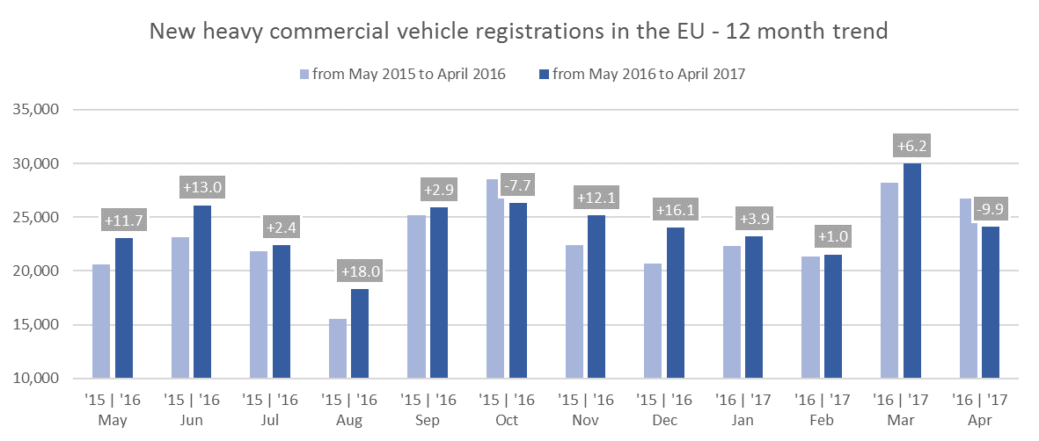

For further information, please contact: Ms Francesca Piazza - Statistics Manager - E-mail: fp@acea.be
This information is available on the ACEA website: http://www.acea.be
 |  |  |  |  |  |  |  | Page 4 of 7

MCV+HCV >3,5t - Trucks
 |  | P R E S S R E L E A S E

 |  | PRESS EMBARGO FOR ALL DATA :
 |  | 8.00 AM (6.00 AM GMT), 24 May 2017

 |  | PROVISIONAL
 |  | EU+EFTA1 COUNTRIES NEW REGISTRATION FIGURES BY MARKET
 |  | NEW MEDIUM & HEAVY COMMERCIAL VEHICLES over 3.5t2

 |  |  |  |  |  |  | 24/05/17
 |  | April | April | % | Jan-Apr | Jan-Apr | %
 |  | '17 | '16 | Change | '17 | '16 | Change
 | AUSTRIA | 760 | 812 | -6.4% | 3,046 | 2,862 | 6.4%
 | BELGIUM | 867 | 929 | -6.7% | 3,744 | 3,655 | 2.4%
 | BULGARIA | N/A | N/A | N/A | N/A | N/A | N/A
 | CROATIA | 131 | 125 | 4.8% | 508 | 467 | 8.8%
 | CYPRUS | 8 | 3 | 166.7% | 39 | 14 | 178.6%
 | CZECH REPUBLIC | 810 | 1,101 | -26.4% | 3,141 | 3,851 | -18.4%
 | DENMARK | 422 | 444 | -5.0% | 1,639 | 1,694 | -3.2%
 | ESTONIA | 76 | 78 | -2.6% | 415 | 354 | 17.2%
 | FINLAND | 276 | 278 | -0.7% | 1,190 | 1,066 | 11.6%
 | FRANCE | 4,328 | 4,600 | -5.9% | 16,727 | 16,313 | 2.5%
 | GERMANY | 7,715 | 9,267 | -16.7% | 30,701 | 31,497 | -2.5%
 | GREECE | 34 | 45 | -24.4% | 128 | 143 | -10.5%
 | HUNGARY | 433 | 469 | -7.7% | 1,610 | 1,700 | -5.3%
 | IRELAND | 196 | 250 | -21.6% | 1,133 | 1,186 | -4.5%
 | ITALY3 | 1,846 | 1,690 | 9.2% | 8,314 | 6,238 | 33.3%
 | LATVIA | 116 | 107 | 8.4% | 464 | 453 | 2.4%
 | LITHUANIA4 | 635 | 659 | -3.6% | 2,448 | 2,184 | 12.1%
 | LUXEMBOURG | 115 | 98 | 17.3% | 429 | 477 | -10.1%
 | NETHERLANDS | 1,261 | 1,446 | -12.8% | 5,718 | 6,412 | -10.8%
 | POLAND | 2,056 | 2,339 | -12.1% | 8,296 | 8,636 | -3.9%
 | PORTUGAL | 335 | 298 | 12.4% | 1,442 | 1,427 | 1.1%
 | ROMANIA | 489 | 683 | -28.4% | 2,312 | 2,593 | -10.8%
 | SLOVAKIA | 342 | 484 | -29.3% | 1,611 | 1,624 | -0.8%
 | SLOVENIA4 | 185 | 176 | 5.1% | 866 | 816 | 6.1%
 | SPAIN | 1,494 | 1,994 | -25.1% | 7,305 | 7,715 | -5.3%
 | SWEDEN | 545 | 690 | -21.0% | 2,098 | 2,056 | 2.0%
 | UNITED KINGDOM4 | 4,245 | 3,888 | 9.2% | 16,516 | 15,057 | 9.7%
 | EUROPEAN UNION | 29,720 | 32,953 | -9.8% | 121,840 | 120,490 | 1.1%
 | EU15 | 24,439 | 26,729 | -8.6% | 100,130 | 97,798 | 2.4%
 | EU12 | 5,281 | 6,224 | -15.2% | 21,710 | 22,692 | -4.3%
 | ICELAND | 24 | 38 | -36.8% | 100 | 102 | -2.0%
 | NORWAY | 512 | 595 | -13.9% | 1,971 | 1,842 | 7.0%
 | SWITZERLAND | 359 | 355 | 1.1% | 1,568 | 1,379 | 13.7%
 | EFTA | 895 | 988 | -9.4% | 3,639 | 3,323 | 9.5%
 | EU+EFTA | 30,615 | 33,941 | -9.8% | 125,479 | 123,813 | 1.3%
 | WESTERN EUROPE (EU15+EFTA) | 25,334 | 27,717 | -8.6% | 103,769 | 101,121 | 2.6%
 | SOURCE: NATIONAL AUTOMOBILE MANUFACTURERS' ASSOCIATIONS
 | 1Data for Malta unavailable |  | 3ANFIA estimates based on vehicle registration certificates issued by the Italian Ministry of Transport
 | 2Excluding total Buses & Coaches over 3.5t |  | 4Estimates
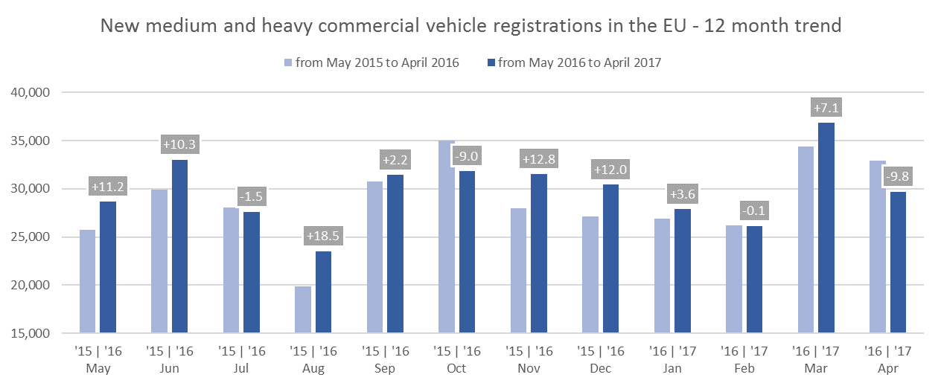

For further information, please contact: Ms Francesca Piazza - Statistics Manager - E-mail: fp@acea.be
This information is available on the ACEA website: http://www.acea.be
 |  |  |  |  |  |  |  | Page 5 of 7

MBC+HBC > 3,5t
 |  | P R E S S R E L E A S E

 |  | PRESS EMBARGO FOR ALL DATA :
 |  | 8.00 AM (6.00 AM GMT), 24 May 2017

 |  | PROVISIONAL
 |  | EU+EFTA1 COUNTRIES NEW REGISTRATION FIGURES BY MARKET
 |  | NEW MEDIUM & HEAVY BUSES & COACHES over 3.5t

 |  |  |  |  |  |  | 24/05/17
 |  | April | April | % | Jan-Apr | Jan-Apr | %
 |  | '17 | '16 | Change | '17 | '16 | Change
 | AUSTRIA | 89 | 91 | -2.2% | 360 | 454 | -20.7%
 | BELGIUM | 74 | 85 | -12.9% | 329 | 300 | 9.7%
 | BULGARIA | N/A | N/A | N/A | N/A | N/A | N/A
 | CROATIA | 53 | 20 | 165.0% | 96 | 77 | 24.7%
 | CYPRUS | N/A | N/A | N/A | N/A | N/A | N/A
 | CZECH REPUBLIC | 53 | 114 | -53.5% | 247 | 313 | -21.1%
 | DENMARK | 42 | 27 | 55.6% | 212 | 131 | 61.8%
 | ESTONIA | 69 | 37 | 86.5% | 107 | 111 | -3.6%
 | FINLAND | 33 | 37 | -10.8% | 139 | 119 | 16.8%
 | FRANCE | 390 | 457 | -14.7% | 1,716 | 2,072 | -17.2%
 | GERMANY | 641 | 621 | 3.2% | 2,277 | 2,070 | 10.0%
 | GREECE | 19 | 21 | -9.5% | 66 | 53 | 24.5%
 | HUNGARY | 32 | 28 | 14.3% | 177 | 169 | 4.7%
 | IRELAND | 38 | 63 | -39.7% | 132 | 187 | -29.4%
 | ITALY2 | 248 | 233 | 6.4% | 1,245 | 869 | 43.3%
 | LATVIA | 16 | 14 | 14.3% | 60 | 37 | 62.2%
 | LITHUANIA3 | 67 | 19 | 252.6% | 145 | 62 | 133.9%
 | LUXEMBOURG | 28 | 30 | -6.7% | 121 | 86 | 40.7%
 | NETHERLANDS | 71 | 87 | -18.4% | 243 | 219 | 11.0%
 | POLAND | 221 | 152 | 45.4% | 770 | 664 | 16.0%
 | PORTUGAL | 27 | 41 | -34.1% | 189 | 211 | -10.4%
 | ROMANIA | 87 | 94 | -7.4% | 307 | 341 | -10.0%
 | SLOVAKIA | 38 | 54 | -29.6% | 116 | 112 | 3.6%
 | SLOVENIA3 | 14 | 24 | -41.7% | 59 | 76 | -22.4%
 | SPAIN | 352 | 207 | 70.0% | 1,105 | 974 | 13.4%
 | SWEDEN | 60 | 78 | -23.1% | 238 | 220 | 8.2%
 | UNITED KINGDOM3 | 767 | 726 | 5.6% | 2,860 | 2,604 | 9.8%
 | EUROPEAN UNION | 3,529 | 3,360 | 5.0% | 13,316 | 12,531 | 6.3%
 | EU15 | 2,879 | 2,804 | 2.7% | 11,232 | 10,569 | 6.3%
 | EU12 | 650 | 556 | 16.9% | 2,084 | 1,962 | 6.2%
 | ICELAND | 5 | 12 | -58.3% | 29 | 51 | -43.1%
 | NORWAY | 81 | 59 | 37.3% | 353 | 215 | 64.2%
 | SWITZERLAND | 64 | 53 | 20.8% | 151 | 141 | 7.1%
 | EFTA | 150 | 124 | 21.0% | 533 | 407 | 31.0%
 | EU+EFTA | 3,679 | 3,484 | 5.6% | 13,849 | 12,938 | 7.0%
 | WESTERN EUROPE (EU15+EFTA) | 3,029 | 2,928 | 3.4% | 11,765 | 10,976 | 7.2%
 | SOURCE: NATIONAL AUTOMOBILE MANUFACTURERS' ASSOCIATIONS
 | 1Data for Malta unavailable
 | 2ANFIA estimates based on vehicle registration certificates issued by the Italian Ministry of Transport
 | 3Estimates
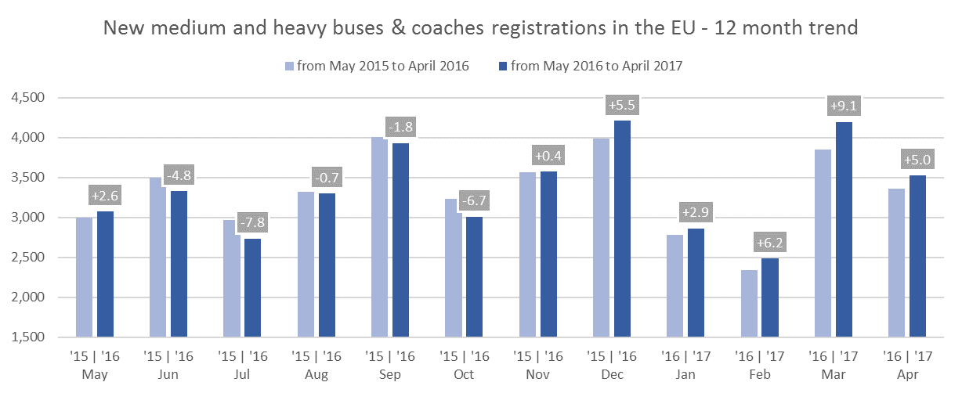

For further information, please contact: Ms Francesca Piazza - Statistics Manager - E-mail: fp@acea.be
This information is available on the ACEA website: http://www.acea.be
 |  |  |  |  |  |  |  | Page 6 of 7

TOTAL
 |  | P R E S S R E L E A S E

 |  | PRESS EMBARGO FOR ALL DATA :
 |  | 8.00 AM (6.00 AM GMT), 24 May 2017

 |  | PROVISIONAL
 |  | EU+EFTA1 COUNTRIES NEW REGISTRATION FIGURES BY MARKET
 |  | TOTAL NEW COMMERCIAL VEHICLES2

 |  |  |  |  |  |  | 24/05/17
 |  | April | April | % | Jan-Apr | Jan-Apr | %
 |  | '17 | '16 | Change | '17 | '16 | Change
 | AUSTRIA | 4,064 | 4,243 | -4.2% | 16,680 | 15,344 | 8.7%
 | BELGIUM | 7,329 | 7,089 | 3.4% | 32,238 | 28,578 | 12.8%
 | BULGARIA3 | 423 | 369 | 14.6% | 1,570 | 1,526 | 2.9%
 | CROATIA | 896 | 824 | 8.7% | 3,323 | 2,959 | 12.3%
 | CYPRUS4 | 156 | 112 | 39.3% | 690 | 515 | 34.0%
 | CZECH REPUBLIC | 2,200 | 2,765 | -20.4% | 9,236 | 9,882 | -6.5%
 | DENMARK | 3,210 | 3,664 | -12.4% | 13,454 | 13,901 | -3.2%
 | ESTONIA | 506 | 465 | 8.8% | 1,942 | 1,773 | 9.5%
 | FINLAND | 1,606 | 1,504 | 6.8% | 6,818 | 5,607 | 21.6%
 | FRANCE | 40,919 | 41,094 | -0.4% | 164,458 | 154,061 | 6.7%
 | GERMANY | 28,147 | 31,919 | -11.8% | 115,953 | 113,632 | 2.0%
 | GREECE | 481 | 597 | -19.4% | 2,322 | 1,842 | 26.1%
 | HUNGARY | 1,785 | 2,299 | -22.4% | 7,403 | 8,410 | -12.0%
 | IRELAND | 1,939 | 2,615 | -25.9% | 14,907 | 17,089 | -12.8%
 | ITALY5 | 15,494 | 16,470 | -5.9% | 66,359 | 61,328 | 8.2%
 | LATVIA | 307 | 305 | 0.7% | 1,137 | 1,184 | -4.0%
 | LITHUANIA | 952 | 964 | -1.2% | 3,553 | 3,210 | 10.7%
 | LUXEMBOURG | 483 | 496 | -2.6% | 2,067 | 2,051 | 0.8%
 | NETHERLANDS | 6,383 | 7,490 | -14.8% | 33,863 | 33,929 | -0.2%
 | POLAND | 7,143 | 7,801 | -8.4% | 28,540 | 28,559 | -0.1%
 | PORTUGAL | 3,483 | 2,933 | 18.8% | 13,421 | 12,299 | 9.1%
 | ROMANIA | 1,733 | 1,935 | -10.4% | 7,667 | 7,354 | 4.3%
 | SLOVAKIA | 923 | 1,152 | -19.9% | 4,086 | 4,131 | -1.1%
 | SLOVENIA | 1,116 | 1,054 | 5.9% | 4,793 | 4,246 | 12.9%
 | SPAIN | 17,276 | 17,459 | -1.0% | 71,901 | 62,817 | 14.5%
 | SWEDEN | 4,843 | 5,492 | -11.8% | 19,829 | 18,705 | 6.0%
 | UNITED KINGDOM | 27,637 | 32,494 | -14.9% | 139,971 | 144,447 | -3.1%
 | EUROPEAN UNION | 181,434 | 195,604 | -7.2% | 788,181 | 759,379 | 3.8%
 | EU15 | 163,294 | 175,559 | -7.0% | 714,241 | 685,630 | 4.2%
 | EU12 | 18,140 | 20,045 | -9.5% | 73,940 | 73,749 | 0.3%
 | ICELAND | 178 | 260 | -31.5% | 800 | 798 | 0.3%
 | NORWAY | 3,369 | 3,775 | -10.8% | 13,098 | 12,331 | 6.2%
 | SWITZERLAND | 2,914 | 3,292 | -11.5% | 12,061 | 11,913 | 1.2%
 | EFTA | 6,461 | 7,327 | -11.8% | 25,959 | 25,042 | 3.7%
 | EU+EFTA | 187,895 | 202,931 | -7.4% | 814,140 | 784,421 | 3.8%
 | WESTERN EUROPE (EU15+EFTA) | 169,755 | 182,886 | -7.2% | 740,200 | 710,672 | 4.2%
 | SOURCE: NATIONAL AUTOMOBILE MANUFACTURERS' ASSOCIATIONS
 | 1Data for Malta unavailable |  |  | 4Data for Buses & Coaches unavailable
 | 2Total Light, Medium & Heavy Commercial Vehicles and Buses & Coaches |  |  | 5ANFIA estimates based on vehicle registration certificates issued by the Italian Ministry of Transport
 | 3Data for Medium & Heavy Commercial Vehicles and Buses & Coaches unavailable
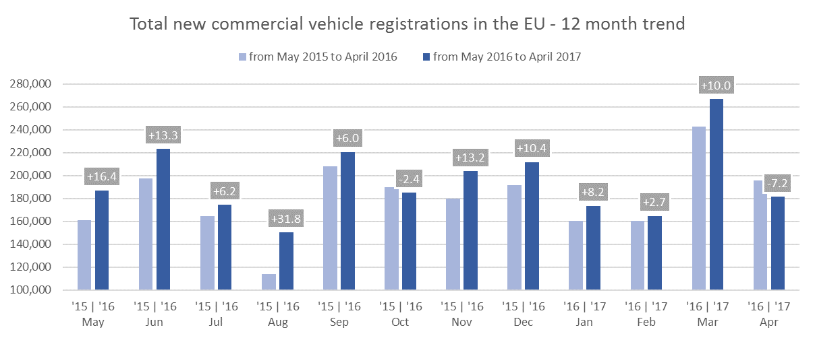

For further information, please contact: Ms Francesca Piazza - Statistics Manager - E-mail: fp@acea.be
This information is available on the ACEA website: http://www.acea.be
 |  |  |  |  |  |  |  | Page 7 of 7

